Bug Report
Bug Id | Description | Module | Steps to Reproduce | Expected Result | Actual Result | Severity | Screenshot

Bug_CRM_01 | System successfully saves a New Lead with an invalid phone number | Leads - New Lead Form | 1.Go to the Leads page. 2. Click the "+ Lead" button at the top right of the screen. 3.Input giving invalid phone number (eg: 0000000001)and rest all giving valid input should be saved. 4.. Click the Save button. | The New Lead should not be saved. The system should block the action and display a validation error message | The New Lead is saved successfully and the system does not give any error message. | Medium | 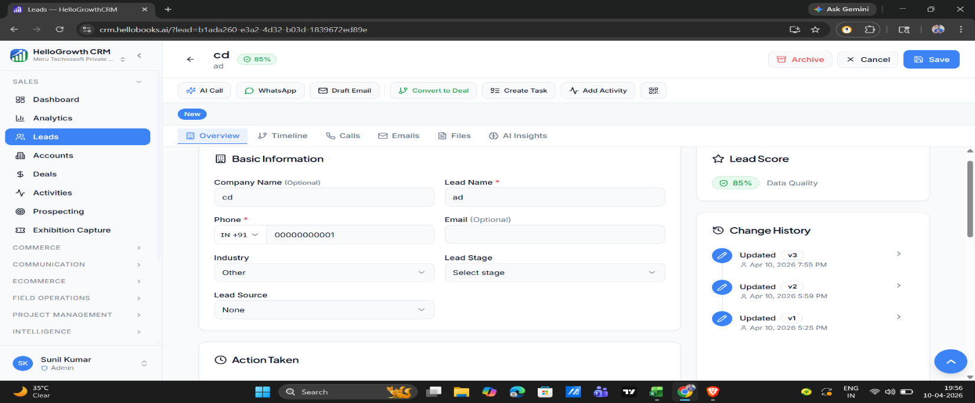

Bug_CRM_02 | System rejects form submission when the '(Optional)' Company Name field is left blank | Leads - New Lead Form | 1.Go to the Leads page. 2. Click the "+ Lead" button at the top right of the screen. 3. Open the "New Lead" form. 4.Leave the Company Name field completely blank. 5. Enter a valid name in the mandatory Lead Name field. 6. Enter a valid 10-digit number in the Phone field 7. Click the blue Save button. | Because the field as (Optional), the new lead should save successfully and appear in the list. | The New Lead form does not save and no error message is displayed. | High | 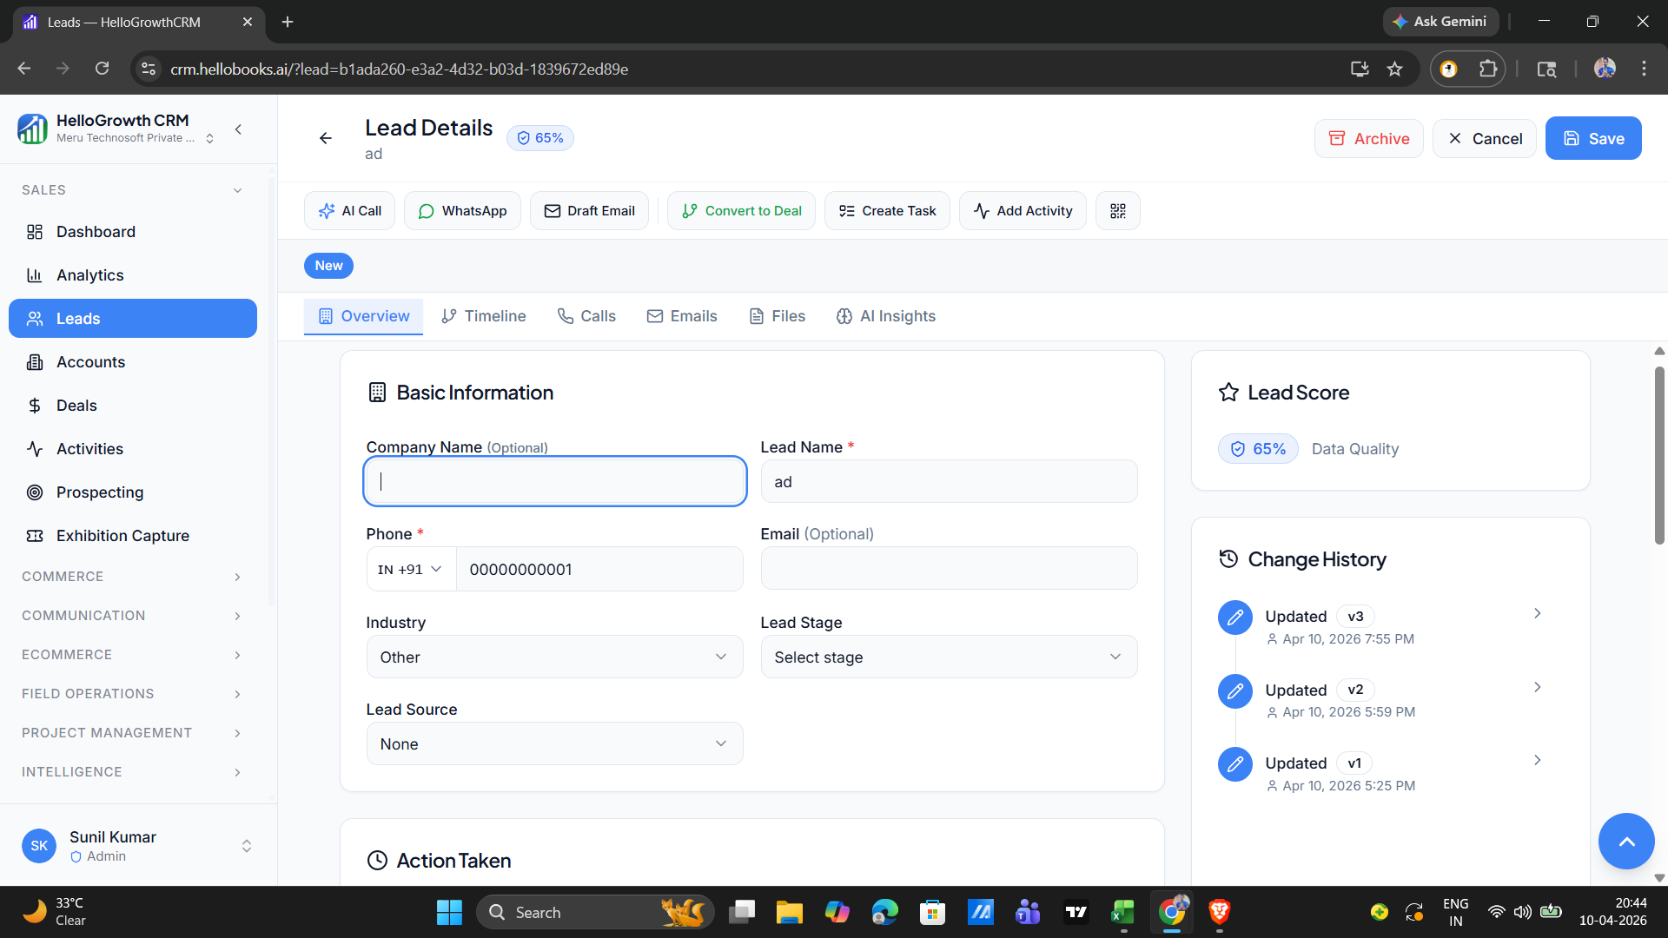

Bug_CRM_03 | System allows saving an existing lead after the mandatory 'Lead Name' is cleared | Leads - Edit/Update Record | 1.Go to the Leads page. 2. Click the "+ Lead" button at the top right of the screen. 3.Navigate to the lead list and click on an existing lead to open its details. 4.Delete all text inside the mandatory lead name field it is completely empty. 5.Click on save action button. | The system should block the save action and display a clear, red validation error message. | The system fails to empty field and allows the record to be saved with a blank Lead Name | High | 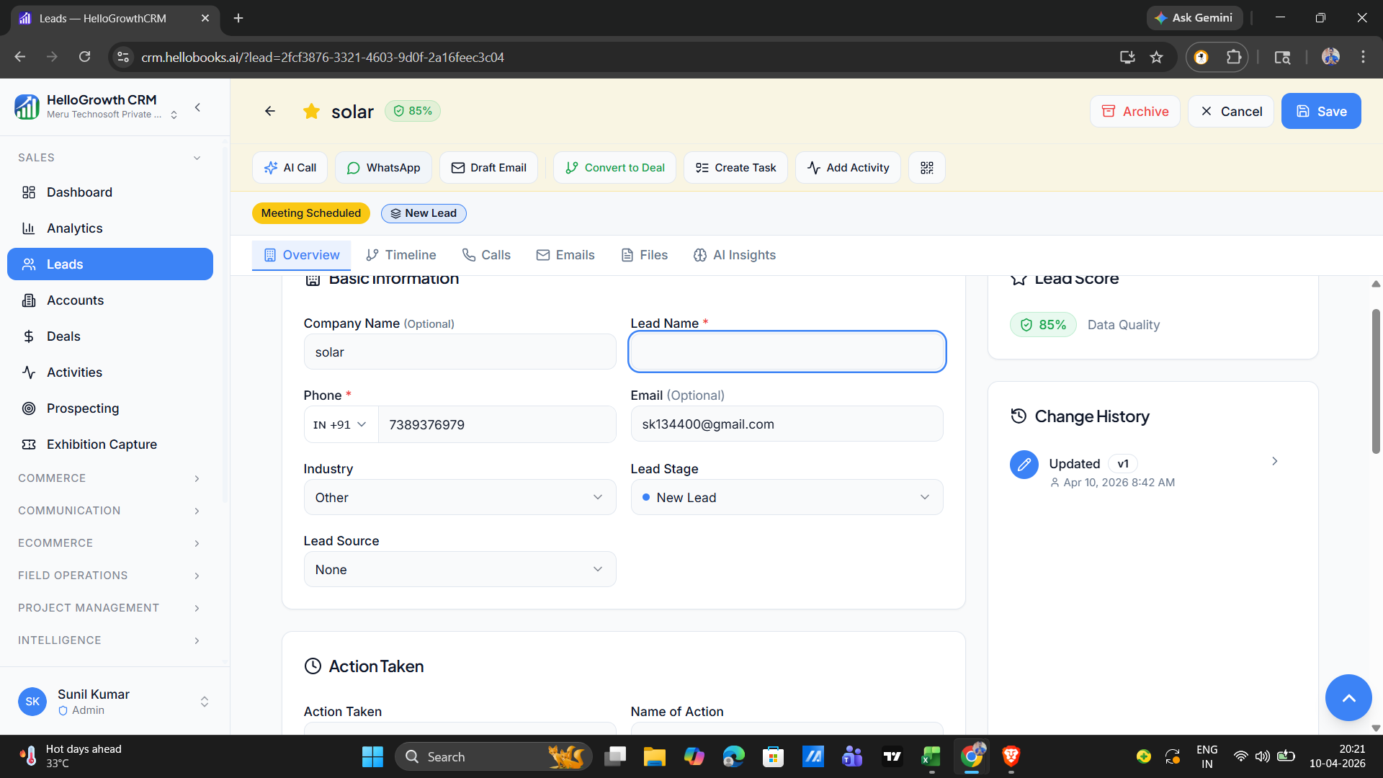

Bug_CRM_04 | System allows saving an existing lead with an invalid phone number | Leads - Edit/Update Record | 1.Go to the Leads page. 2. Click the "+ Lead" button at the top right of the screen. 3.Navigate to the lead list and click on an existing lead to open its details. 4.Existing phone replace to invalid phone number. 5.Click on save action button. | The system should block the save action and display a clear, red validation error message.(eg:proving valid phone number) | The system fails and successfully updates the lead with the invalid phone number, giving no warning to the user. | Medium | 